Approval For Statement Mod
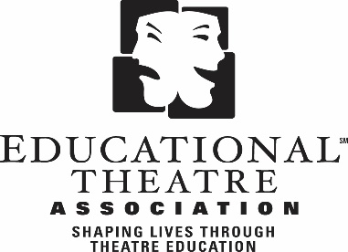
 |  | State Chapter Approval for Statement Modifications (2021-22)

I, |  |  |  |  | , the official State Chapter Director for

Chapter Name here |  |  |  |  |  | (Chapter Name)
do hereby give permission to the Educational Theatre Association to adjust information that has been submitted for the 2021-22 chapter financials. Adjusting includes, but is not limited to:

* Moving items from one category to another (e.g. EdTA financial aid and/or allocation, chapter awards shown as scholarships). * Reclassification of miscellaneous income or expense items listed on the state chapter’s “supporting schedule.”

Any revisions that EdTA’s Accounting Department makes will be fully explained and included with the state chapter’s copy of the completed report.

Name: |  |  | Date:

Chapter: | Chapter Name here

Address:
 | Street

 | City |  | State |  | Zip Code

Email Address:

Phone Number:

State Chapter Director's Signature |  |  |  | State Chapter Treasurer's Signature

Please sign above by either printing and signing a physical copy, or saving as a pdf and
applying a digital signature that includes a datestamp.
The National Office will accept both digital and scanned signatures in lieu of a physical copy.

