Sheet1
Actual Payroll Costs - Last 12 Months
 | Apr-19 | May-19 | Jun-19 | Jul-19 | Aug-19 | Sep-19 | Oct-19 | Nov-19 | Dec-19 | Jan-20 | Feb-20 | Mar-20 | Total
Salaries, Wages & Commissions (1)(3) | 10,000 | 10,000 | 10,000 | 10,000 | 10,000 | 10,000 | 10,000 | 10,000 | 10,000 | 10,000 | 10,000 | 10,000 | 120,000
Cash Tips | - | - | - | - | - | - | - | - | - | - | - | - | -
Vacation, Parental, Family, Medical or Sick Leave | - | - | - | - | - | - | - | - | - | - | - | - | -
Allowance for Dismissal or Separation | - | - | - | - | - | - | - | - | - | - | - | - | -
Group Health Care Benefits - Including Insurance Premiums | - | - | - | - | - | - | - | - | - | - | - | - | -
Payment of Retirement Benefits | - | - | - | - | - | - | - | - | - | - | - | - | -
State and Local Employment Taxes (2) | - | - | - | - | - | - | - | - | - | - | - | - | -

Total Payroll Costs | 10,000 | 10,000 | 10,000 | 10,000 | 10,000 | 10,000 | 10,000 | 10,000 | 10,000 | 10,000 | 10,000 | 10,000 | 120,000

Average Payroll Costs - Last 12 Months | 10,000
Maximum Payroll Protection Program Loan (2.5 x B13) | 25,000 | (capped at $10,000,000)

(1) For employees paid over $100,000 per year, exclude from this calculation the amount over $100,000 - for example the monthly expense associated with someone making more than $100,000 is $8,333
(2) Do not include federal income or FICA taxes paid
(3) Do not include compensation of an employee whose principal place of residence is outide the US

Projected Amount Subject to Forgiveness - 8 Month Forecast of Eligible Loan Proceeds Uses
 | Week 1 | Week 2 | Week 3 | Week 4 | Week 5 | Week 6 | Week 7 | Week 8 | Total
Payroll Costs (as defined above) | 2,500 | 2,500 | 2,500 | 2,500 | 2,500 | 2,500 | 2,500 | 2,500 | 20,000
Interest on Mortgage Obligations incurred before 2/15/2020 | - | - | - | - | - | - | - | - | -
Rent on Leases in effect before 2/15/2020 | - | - | - | - | - | - | - | - | -
Utilities Payments on services used after 2/15/2020 | - | - | - | - | - | - | - | - | -

Total | 2,500 | 2,500 | 2,500 | 2,500 | 2,500 | 2,500 | 2,500 | 2,500 | 20,000

Estimated Maximum Forgiveness Amount (1) | 20,000

(1) The amount of potential loan foregivness calculated above is reduced if there is a reduction in the number of employees or a reduction of greater than 25% in wages paid to employees - specifically,

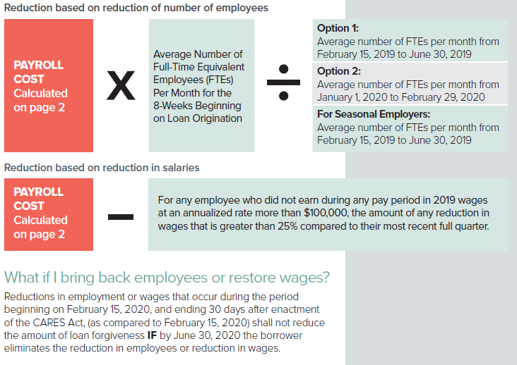

Source: US Chamber of Commerce

