Background
53w
GASB Statement Number 87, Leases, is effective for fiscal years beginning after June 15, 2021. GASB 87 eliminates operating leases, all contracts that meet the definition of lease are to be accounted for as assets and liabilities by lessees, similar in some ways to capital leases. Governments need to evaluate contracts in which the government pays another entity to use an asset (government as a lessee) or another entity pays the government to use the government’s asset (government as a lessor) to determine if those contracts meet the definition of a GASB 87 lease. GFOA has prepared an advisory to help governments prepare for the implementation of GASB 87.
For governments that are a lessee or lessor in accordance with GASB 87, there are journal entries that have to be made when the lease begins and throughout the lease term. GFOA has prepared an example of the entries needed from both the lessee and lessor perspective. In order to prepare the journal entries, present value calculations of the lease payments are required to made (lessees and lessors), lease repayment schedules need to be prepared (lessees and lessors), and amortization schedules of the intangible right-to-use asset (lessees) and the deferred inflows of resources (lessors) need to be prepared. This tool provides the calculations needed to prepare the necessary entries for the government as a lessee and as a lessor at the beginning of the lease term and throughout the life of the lease.
This tool is an example of a government entering into one lease, it does not include adjustments for lease modifications, full or partial terminations or other situations that could affect the amounts reported for leases that are described in GASB 87. The intent of this tool is to 1) demonstrate how governments can perform the basic calculations needed for applying the lease standard with existing technology and 2) understand the data that is being produced. Of course, governments will have to adjust the appropriate tabs based on their own facts and circumstances.
The tabs numbered 1. through 3. contain the example of accounting for a lease when a government is a lessee, and tabs numbered 4. through 6. are the example with the government as a lessor. The cells that are highlighted yellow are the variables that were used in the lessee and lessor examples, which were based on the assumptions used. The other cells in the spreadsheet are the results of calculations.
Tabs 1. and 4. are summary tabs for the government as a lessee and lessor, respectively. These tabs include the journal entries needed to record the lease transactions for both the general fund (or any governmental fund) and the government-wide adjustments. The journal entries are presented in column format and the traditional T-account format.

Disclaimer: GFOA makes no warranty, guaranty, or representation regarding the accuracy, content, completeness, reliability, operability, or legality of information contained within this tool including, without limitation, the warranties of merchantability, or fitness for a particular use. The information, calculations, and recommendations presented within the tool are intended to provide finance officers with an approximating and example of lease accounting calculations. If users have any questions related to the accuracy of the information presented within this tool, GFOA recommends that users contact GFOA or their audit professionals for further clarification.

1. Lessee Summary
 | Lease Resource
 | GASB 87 Lease Adjustment - Government as a Lessee

 | Assumptions
 | · Government lessee has a December 31 fiscal year end.
 | · Government lessee enters into 5 year non-cancellable lease for capital equipment (60 months) with no options to extend, on February 1, 2020, which will commence on April 1, 2020.

 | · Monthly payments due at beginning of each month for $1,000. Total due $60,000. First payment due on April 1, 2020.
 | · Government lessee incurs $2,500 transportation costs and other expenditures to make equipment ready for use.
 | · At the end of the lease term, the government lessee has option to purchase the equipment for $2,000 that it is reasonably certain it will exercise.
 | · The government lessee estimates that the useful life of the capital equipment will be 7 years (84 months).

 | Lease Liability
 | Present value of future lease payments | $55,791 | GASB Statement No. 84, paragraph 21.a. The number comes from tab "2. Lease Liability Schedules."
 | Present value of purchase option reasonably certain to be exercised by government lessee | $1,725 | GASB Statement No. 84, paragraph 21.e. The number comes from tab "2. Lease Liability Schedules."

 | Total lease liability at inception of lease | $57,517

 | Lease Asset
 | Total lease liability | $57,517 | GASB Statement No. 84, paragraph 30.a
 | Government lessee incurs transportation costs and other expenditures to make equipment ready for use | $2,500 | GASB Statement No. 84, paragraph 30.c

 | Total lease asset at inception of lease | $60,017

 |  | General Fund Transactions DR/(CR) |  |  |  | Gov't-wide adjustments DR/(CR)
 | Entry # | 1 | 2 | 3 |  | 4 | 5 | 6 | 7
 |  | Inception of lease | Exps to get asset in place | Debt service pmts | Total General Fund | Recognize lease liability | Recognize lease asset | Lease principal payments | Asset amortization | Total Gov't-Wide | Consolidated totals, accrual
 | Cash |  | (2,500) | (9,000) | (11,500) |  |  |  |  | - | (11,500)
 | Lease asset (intangible right-to-use) |  |  |  | - |  | 60,017 |  |  | 60,017 | 60,017
 | Accumulated amortization - lease asset |  |  |  | - |  |  |  | (6,426) | (6,426) | (6,426)
 | Lease liability |  |  |  | - | (57,517) |  | 7,930 |  | (49,587) | (49,587)
 | Expenditures - capital outlay | 57,517 | 2,500 |  | 60,017 |  | (60,017) |  |  | (60,017) | -
 | Expenditures - debt service principal |  |  | 7,930 | 7,930 |  |  | (7,930) |  | (7,930) | -
 | Expenditures - debt service interest |  |  | 1,070 | 1,070 |  |  |  |  | - | 1,070
 | Other financing source - inception of lease | (57,517) |  |  | (57,517) | 57,517 |  |  |  | 57,517 | -
 | Amortization expense |  |  |  | - |  |  |  | 6,426 | 6,426 | 6,426
 | net | - | - | - | - | - | - | - | - | - | -

 | Entries 1, 2, 4, 5 are made at the inception of the lease
 | Entries 3, 6, 7 represent the total amounts that would be made each month of the fiscal year.

 |  | DR | CR
 | General Fund
1. | Expenditures - capital outlay | $57,517
 | Other financing source - inception of lease |  | $57,517
 | To record the inception of the lease on 4/1/2020

2. | Expenditures - capital outlay | $2,500
 | Cash |  | $2,500
 | To record payment for transportation costs and other expenditures to make equipment ready for use.

3. | Expenditures - debt service principal | $7,930
 | Expenditures - debt service interest | 1,070
 | Cash |  | $9,000
 | To record debt service payments for the fiscal year. The numbers come from tab "2. Lease Liability Schedules."

 | Government-wide adjustments
4. | Other financing source - inception of lease | $57,517
 | Lease liability |  | $57,517
 | Replace other financing sources with permanent account – lease liability.

5. | Lease asset (intangible right-to-use) | $60,017
 | Expenditures - capital outlay |  | $60,017
 | Replace expenditures with capital assets – intangible right-to use lease asset

6. | Lease liability | $7,930
 | Expenditures - debt service principal |  | $7,930
 | Eliminate temporary accounts – principal repayment.

7. | Amortization expense | $6,426
 | Accumulated depreciation - lease asset (intangible right-to-use) |  | $6,426
 | Record amortization expense for the fiscal year. The numbers come from tab "3. Lease Asset Amort Schedules."

Disclaimer: GFOA makes no warranty, guaranty, or representation regarding the accuracy, content, completeness, reliability, operability, or legality of information contained within this tool including, without limitation, the warranties of merchantability, or fitness for a particular use. The information, calculations, and recommendations presented within the tool are intended to provide finance officers with an approximating and example of lease accounting calculations. If users have any questions related to the accuracy of the information presented within this tool, GFOA recommends that users contact GFOA or their audit professionals for further clarification.

2. Lease Liablity Schedules
Lease Resource
GASB 87 Lease Adjustment
Lease Liability Payment Calculations

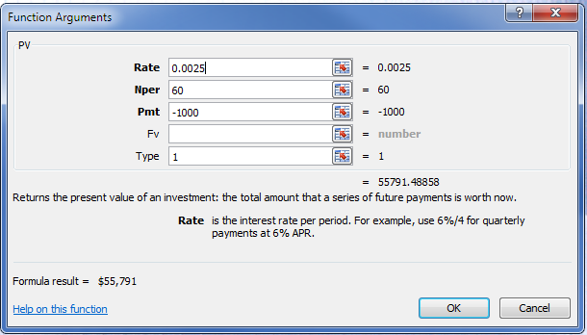
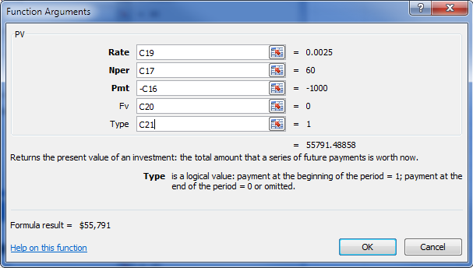
Assumptions
· Government lessee has a December 31 fiscal year end.
· Government lessee enters into 5 year non-cancellable lease for capital equipment (60 months) with no options to extend, on February 1, 2020, which will commence on April 1, 2020.
· Monthly payments due at beginning of each month for $1,000. Total due $60,000. First payment due on April 1, 2020.
· Government lessee incurs $2,500 transportation costs and other expenditures to make equipment ready for use.
· At the end of the lease term, the government lessee has option to purchase the equipment for $2,000 that it is reasonably certain it will exercise.
· The government lessee estimates that the useful life of the capital equipment will be 7 years (84 months).

 |  | PV of Lease |  |  | PV of purchase
 |  | Payments |  |  | option
 |  |  | PV calc term
A | monthly payments | $1,000 | Pmt |  | $-
B | number of periods | 60 | Nper |  | 5
C | Annual interest rate | 3.00% |  |  | 3.00%
D | Monthly interest rate (C / 12 months) | 0.250% | Rate
E | Future Value | $- | Fv |  | $2,000
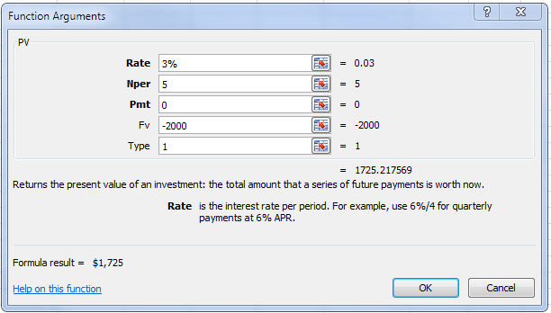
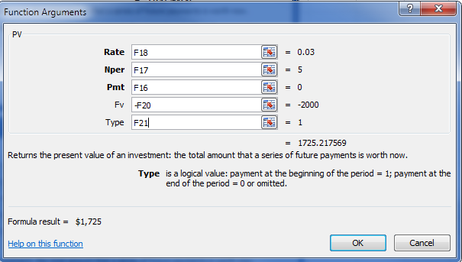
F | Type: "1" if payments are made at beginning of period, "0" if payments are made at end of period | 1 | Type |  | 1
G | First payment date | 2020-04-01
H | Increments between payments (if monthly "1", if bi-monthly "2") | 1

 | Present value of lease payments | $55,791

 | Present value of purchase option | $1,725
The $1,000 contractual monthly payment is based on the present value of $60,000 due over the 60 months of the lease. Since the lessee government is also liable for the $2,000 purchase option due on the 60th month, the total lease liability to amortize at inception is $57,517.
 | Total PV of lease liability | $57,517

 | Monthly payment calculation | $1,000

 | all numbers rounded to zero decimals

 | Amortization of lease payments

Payment
Number | Month, Year | Payment | Interest | Principal | Balance |  |  | $56,517 x .0025 or F44 x C19
 |  |  |  |  | $57,517
1 | 2020-04-01 | $1,000 | $- | $1,000 | 56,517 |  |  | Payment - Interest
2 | 2020-05-01 | 1,000 | 141 | 859 | 55,658
3 | 2020-06-01 | 1,000 | 139 | 861 | 54,797
4 | 2020-07-01 | 1,000 | 137 | 863 | 53,934 |  |  |  | Future debt service payments for note disclosure
5 | 2020-08-01 | 1,000 | 135 | 865 | 53,069 |  |  |  | Year | Principal | Interest | Total
6 | 2020-09-01 | 1,000 | 133 | 867 | 52,202 |  |  |  | 2021 | $10,657 | $1,343 | $12,000
7 | 2020-10-01 | 1,000 | 131 | 869 | 51,333 | year 1 payments |  |  | 2022 | 10,982 | 1,018 | 12,000
8 | 2020-11-01 | 1,000 | 128 | 872 | 50,461 | Interest | Principal |  | 2023 | 11,316 | 684 | 12,000
9 | 2020-12-01 | 1,000 | 126 | 874 | 49,587 | $1,070 | $7,930 |  | 2024 | 11,660 | 340 | 12,000
10 | 2021-01-01 | 1,000 | 124 | 876 | 48,711 |  |  |  | 2025 | 4,972 | 28 | 5,000
11 | 2021-02-01 | 1,000 | 122 | 878 | 47,833 |  |  |  | Totals | $49,587 | $3,413 | $53,000
12 | 2021-03-01 | 1,000 | 120 | 880 | 46,953
13 | 2021-04-01 | 1,000 | 117 | 883 | 46,070
14 | 2021-05-01 | 1,000 | 115 | 885 | 45,185
15 | 2021-06-01 | 1,000 | 113 | 887 | 44,298
16 | 2021-07-01 | 1,000 | 111 | 889 | 43,409
17 | 2021-08-01 | 1,000 | 109 | 891 | 42,518
18 | 2021-09-01 | 1,000 | 106 | 894 | 41,624
19 | 2021-10-01 | 1,000 | 104 | 896 | 40,728
20 | 2021-11-01 | 1,000 | 102 | 898 | 39,830
21 | 2021-12-01 | 1,000 | 100 | 900 | 38,930
22 | 2022-01-01 | 1,000 | 97 | 903 | 38,027
23 | 2022-02-01 | 1,000 | 95 | 905 | 37,122
24 | 2022-03-01 | 1,000 | 93 | 907 | 36,215
25 | 2022-04-01 | 1,000 | 91 | 909 | 35,306
26 | 2022-05-01 | 1,000 | 88 | 912 | 34,394
27 | 2022-06-01 | 1,000 | 86 | 914 | 33,480
28 | 2022-07-01 | 1,000 | 84 | 916 | 32,564
29 | 2022-08-01 | 1,000 | 81 | 919 | 31,645
30 | 2022-09-01 | 1,000 | 79 | 921 | 30,724
31 | 2022-10-01 | 1,000 | 77 | 923 | 29,801
32 | 2022-11-01 | 1,000 | 75 | 925 | 28,876
33 | 2022-12-01 | 1,000 | 72 | 928 | 27,948
34 | 2023-01-01 | 1,000 | 70 | 930 | 27,018
35 | 2023-02-01 | 1,000 | 68 | 932 | 26,086
36 | 2023-03-01 | 1,000 | 65 | 935 | 25,151
37 | 2023-04-01 | 1,000 | 63 | 937 | 24,214
38 | 2023-05-01 | 1,000 | 61 | 939 | 23,275
39 | 2023-06-01 | 1,000 | 58 | 942 | 22,333
40 | 2023-07-01 | 1,000 | 56 | 944 | 21,389
41 | 2023-08-01 | 1,000 | 53 | 947 | 20,442
42 | 2023-09-01 | 1,000 | 51 | 949 | 19,493
43 | 2023-10-01 | 1,000 | 49 | 951 | 18,542
44 | 2023-11-01 | 1,000 | 46 | 954 | 17,588
45 | 2023-12-01 | 1,000 | 44 | 956 | 16,632
46 | 2024-01-01 | 1,000 | 42 | 958 | 15,674
47 | 2024-02-01 | 1,000 | 39 | 961 | 14,713
48 | 2024-03-01 | 1,000 | 37 | 963 | 13,750
49 | 2024-04-01 | 1,000 | 34 | 966 | 12,784
50 | 2024-05-01 | 1,000 | 32 | 968 | 11,816
51 | 2024-06-01 | 1,000 | 30 | 970 | 10,846
52 | 2024-07-01 | 1,000 | 27 | 973 | 9,873
53 | 2024-08-01 | 1,000 | 25 | 975 | 8,898
54 | 2024-09-01 | 1,000 | 22 | 978 | 7,920
55 | 2024-10-01 | 1,000 | 20 | 980 | 6,940
56 | 2024-11-01 | 1,000 | 17 | 983 | 5,957
57 | 2024-12-01 | 1,000 | 15 | 985 | 4,972
58 | 2025-01-01 | 1,000 | 12 | 988 | 3,984
59 | 2025-02-01 | 1,000 | 10 | 990 | 2,994
60 | 2025-03-01 | 3,000 | 6 | 2,994 | - | Interest adjusted for rounding

 | Totals |  | $4,483 | $57,517 | $62,000

The final $3,000 payment represents the $1,000 payment due for the 60th month, plus the $2,000 purchase option due at the end of the lease term

Disclaimer: GFOA makes no warranty, guaranty, or representation regarding the accuracy, content, completeness, reliability, operability, or legality of information contained within this tool including, without limitation, the warranties of merchantability, or fitness for a particular use. The information, calculations, and recommendations presented within the tool are intended to provide finance officers with an approximating and example of lease accounting calculations. If users have any questions related to the accuracy of the information presented within this tool, GFOA recommends that users contact GFOA or their audit professionals for further clarification.

3. Lease Asset Amort Schedules
 | Lease Resource
 | GASB 87 Lease Adjustment

 | Amortization of lease asset
 | Lease asset value | $60,017
 | Useful life (months) | 84
 | Monthly amortization | $714
 | Annual amortization | $8,568
 | Increments between payments (if monthly "1", if bi-monthly "2") | 1

 | Month Number | Amortization | Balance
 |  |  | $60,017
1 | 2020-04-01 | $714 | 59,303
2 | 2020-05-01 | 714 | 58,589
3 | 2020-06-01 | 714 | 57,875
4 | 2020-07-01 | 714 | 57,161
5 | 2020-08-01 | 714 | 56,447
6 | 2020-09-01 | 714 | 55,733
7 | 2020-10-01 | 714 | 55,019
8 | 2020-11-01 | 714 | 54,305
9 | 2020-12-01 | 714 | 53,591
10 | 2021-01-01 | 714 | 52,877
11 | 2021-02-01 | 714 | 52,163
12 | 2021-03-01 | 714 | 51,449
13 | 2021-04-01 | 714 | 50,735
14 | 2021-05-01 | 714 | 50,021
15 | 2021-06-01 | 714 | 49,307
16 | 2021-07-01 | 714 | 48,593
17 | 2021-08-01 | 714 | 47,879
18 | 2021-09-01 | 714 | 47,165
19 | 2021-10-01 | 714 | 46,451
20 | 2021-11-01 | 714 | 45,737
21 | 2021-12-01 | 714 | 45,023
22 | 2022-01-01 | 714 | 44,309
23 | 2022-02-01 | 714 | 43,595
24 | 2022-03-01 | 714 | 42,881
25 | 2022-04-01 | 714 | 42,167
26 | 2022-05-01 | 714 | 41,453
27 | 2022-06-01 | 714 | 40,739
28 | 2022-07-01 | 714 | 40,025
29 | 2022-08-01 | 714 | 39,311
30 | 2022-09-01 | 714 | 38,597
31 | 2022-10-01 | 714 | 37,883
32 | 2022-11-01 | 714 | 37,169
33 | 2022-12-01 | 714 | 36,455
34 | 2023-01-01 | 714 | 35,741
35 | 2023-02-01 | 714 | 35,027
36 | 2023-03-01 | 714 | 34,313
37 | 2023-04-01 | 714 | 33,599
38 | 2023-05-01 | 714 | 32,885
39 | 2023-06-01 | 714 | 32,171
40 | 2023-07-01 | 714 | 31,457
41 | 2023-08-01 | 714 | 30,743
42 | 2023-09-01 | 714 | 30,029
43 | 2023-10-01 | 714 | 29,315
44 | 2023-11-01 | 714 | 28,601
45 | 2023-12-01 | 714 | 27,887
46 | 2024-01-01 | 714 | 27,173
47 | 2024-02-01 | 714 | 26,459
48 | 2024-03-01 | 714 | 25,745
49 | 2024-04-01 | 714 | 25,031
50 | 2024-05-01 | 714 | 24,317
51 | 2024-06-01 | 714 | 23,603
52 | 2024-07-01 | 714 | 22,889
53 | 2024-08-01 | 714 | 22,175
54 | 2024-09-01 | 714 | 21,461
55 | 2024-10-01 | 714 | 20,747
56 | 2024-11-01 | 714 | 20,033
57 | 2024-12-01 | 714 | 19,319
58 | 2025-01-01 | 714 | 18,605
59 | 2025-02-01 | 714 | 17,891
60 | 2025-03-01 | 714 | 17,177
61 | 2025-04-01 | 714 | 16,463
62 | 2025-05-01 | 714 | 15,749
63 | 2025-06-01 | 714 | 15,035
64 | 2025-07-01 | 714 | 14,321
65 | 2025-08-01 | 714 | 13,607
66 | 2025-09-01 | 714 | 12,893
67 | 2025-10-01 | 714 | 12,179
68 | 2025-11-01 | 714 | 11,465
69 | 2025-12-01 | 714 | 10,751
70 | 2026-01-01 | 714 | 10,037
71 | 2026-02-01 | 714 | 9,323
72 | 2026-03-01 | 714 | 8,609
73 | 2026-04-01 | 714 | 7,895
74 | 2026-05-01 | 714 | 7,181
75 | 2026-06-01 | 714 | 6,467
76 | 2026-07-01 | 714 | 5,753
77 | 2026-08-01 | 714 | 5,039
78 | 2026-09-01 | 714 | 4,325
79 | 2026-10-01 | 714 | 3,611
80 | 2026-11-01 | 714 | 2,897
81 | 2026-12-01 | 714 | 2,183
82 | 2027-01-01 | 714 | 1,469
83 | 2027-02-01 | 714 | 755
84 | 2027-03-01 | 755 | (0) | rounding adjustment to bring ending value to $0.

Disclaimer: GFOA makes no warranty, guaranty, or representation regarding the accuracy, content, completeness, reliability, operability, or legality of information contained within this tool including, without limitation, the warranties of merchantability, or fitness for a particular use. The information, calculations, and recommendations presented within the tool are intended to provide finance officers with an approximating and example of lease accounting calculations. If users have any questions related to the accuracy of the information presented within this tool, GFOA recommends that users contact GFOA or their audit professionals for further clarification.

4. Lessor Summary
 | Lease Resource
 | GASB 87 Lease Adjustment - Government as a Lessor

 | Assumptions
 | · Government lessor has a December 31 fiscal year end.
 | · Government enters into a 10 year non-cancellable lease with a third party (not part of the lessor government's financial reporting entity) and leases two floors of one of its buildings to the third party. The lease begins on July 1, 2020.
 | · Monthly payments are due at beginning of the month for $3,000. Government lessor receives the last month's rent upon inception of lease. First payment due July 1, 2020.
 | · Total due from lessee at inception is $357,000 ($360,000 less $3,000 the last month's payment received at inception).
 | · The interest rate assumed to be charged by the government is 2.5%, its estimated return on its investments.
 | · The government continues to report the entire building as a capital asset and continues to depreciate the building on a straight-line basis.
 | Building cost | $10,000,000
 | Useful life (years) | 75
 | Annual depreciation expense (straight-line) | $133,333

 | Lease Receivable
 | Present value of future lease payments | $316,556 | GASB Statement No. 84, paragraph 44.a. The number comes from tab "5. Lease Receivable Schedules."

 | Total lease receivable at inception of lease | $316,556

 | Deferred inflow of resources
 | Total lease receivable at inception | $316,556 | GASB Statement No. 84, paragraph 53.a
 | Government lessor receives last month's rent upon inception of lease | $3,000 | GASB Statement No. 84, paragraph 53.b

 | Total deferred inflow of resources at inception of lease | $319,556

 |  | General Fund Transactions DR/(CR) |  |  |  |  | Gov't-wide adjustments DR/(CR)
 | Entry # | 1 | 2 | 3 | 4 |  | 5
 |  | Last month's rent received | Inception of lease | lease pmts rec'd | Amort of def inflow | Total General Fund | Depreciation expense |  | Total Gov't Wide | Consolidated totals, accrual
 | Cash | 3,000 |  | 18,000 |  | 21,000 |  |  | - | 21,000
 | Lease receivable |  | 316,556 | (14,783) |  | 301,773 |  |  | - | 301,773
 | Accumulated depreciation - buildings |  |  |  |  | - | (133,333) |  | (133,333) | (133,333)
 | Deferred inflow of resources | (3,000) | (316,556) |  | 15,978 | (303,578) |  |  | - | (303,578)
 | Lease revenue |  |  |  | (15,978) | (15,978) |  |  | - | (15,978)
 | Interest revenue |  |  | (3,217) |  | (3,217) |  |  | - | (3,217)
 | Depreciation expense |  |  |  |  | - | 133,333 |  | 133,333 | 133,333
 | net | - | - | - | - | - | - | - | - | -

 | Entries 1 and 2 are made at the inception of the lease

 | Entries 3, 4, 5 represent the total amounts that would be made each month of the fiscal year.

 |  | DR | CR
 | General Fund
1. | Cash | $3,000
 | Deferred inflow of resources |  | $3,000
 | To record the last month's rent received prior to beginning of lease term.

2. | Lease receivable | $316,556
 | Deferred inflow of resources |  | $316,556
 | To record the inception of the lease on 7/1/2020.

3. | Cash | $18,000
 | Lease receivable |  | $14,783
 | Interest revenue |  | 3,217
 | To record lease payments received for the fiscal year. The number comes from tab "5. Lease Receivable Schedules."

4. | Deferred inflow of resources | $15,978
 | Lease revenue |  | $15,978
 | To recognize lease revenue for the fiscal year. The number comes from tab "6. Def Inflow Amort Schedules."

 | Government-wide adjustments
5. | Depreciation expense | $133,333
 | Accumulated depreciation - buildings |  | $133,333
 | To record depreciation expense for the building for the current fiscal year.

Disclaimer: GFOA makes no warranty, guaranty, or representation regarding the accuracy, content, completeness, reliability, operability, or legality of information contained within this tool including, without limitation, the warranties of merchantability, or fitness for a particular use. The information, calculations, and recommendations presented within the tool are intended to provide finance officers with an approximating and example of lease accounting calculations. If users have any questions related to the accuracy of the information presented within this tool, GFOA recommends that users contact GFOA or their audit professionals for further clarification.

5. Lease Receivable Schedules
Lease Resource
GASB 87 Lease Adjustment
Lease Receivable Receipt Calculations

Assumptions
· Government lessor has a December 31 fiscal year end.
· Government enters into a 10 year non-cancellable lease with a third party (not part of the lessor government's financial reporting entity) and leases two floors of one of its buildings to the third party. The lease begins on July 1, 2020.
· Monthly payments are due at beginning of the month for $3,000. Government lessor receives the last month's rent upon inception of lease. First payment due July 1, 2020.
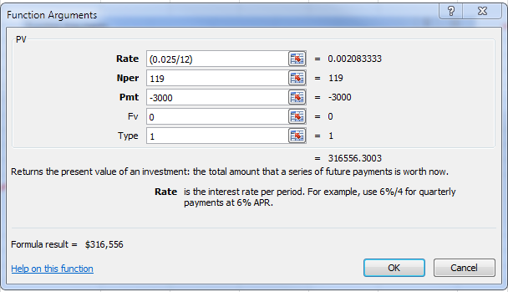
· Total due from lessee at inception is $357,000 ($360,000 less $3,000 the last month's payment received at inception).
· The interest rate assumed to be charged by the government is 2.5%, its estimated return on its investments.
· The government continues to report the entire building as a capital asset and continues to depreciate the building on a straight-line basis.
 | Building cost | $10,000,000
 | Useful life (years) | 75
 | Annual depreciation expense (straight-line) | $133,333

 |  |  | PV calc term
A | monthly payments | $3,000 | Pmt
B | number of periods | 119 | Nper
C | Annual interest rate | 2.5%
D | Monthly interest rate (C / 12 months) | 0.2083333% | Rate
E | Future Value | 0 | Fv
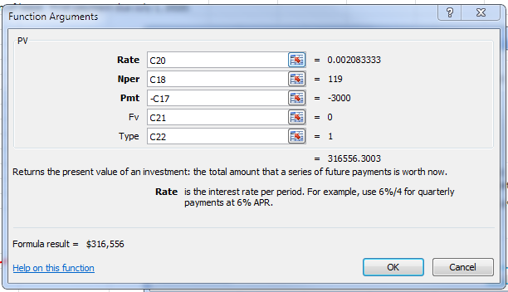
F | Type: "1" if payments are made at beginning of period, "0" if payments are made at end of period. | 1 | Type
G | First payment date | 2020-07-01
H | Increments between payments (if monthly "1", if bi-monthly "2") | 1
 | Present value of lease payments | $316,556

 | Monthly payment calc | $3,000

 | all numbers rounded to zero decimals

 | Amortization of lease receipts
Payment
Number | Month, Year | Payment | Interest | Principal | Balance
 |  |  |  |  | $316,556
1 | 2020-07-01 | $3,000 | $- | $3,000 | 313,556
2 | 2020-08-01 | 3,000 | 653 | 2,347 | 311,209
3 | 2020-09-01 | 3,000 | 648 | 2,352 | 308,857
4 | 2020-10-01 | 3,000 | 643 | 2,357 | 306,500 | fiscal year 1 payments
5 | 2020-11-01 | 3,000 | 639 | 2,361 | 304,139 | Interest | Principal
6 | 2020-12-01 | 3,000 | 634 | 2,366 | 301,773 | 3,217 | 14,783
7 | 2021-01-01 | 3,000 | 629 | 2,371 | 299,402
8 | 2021-02-01 | 3,000 | 624 | 2,376 | 297,026
9 | 2021-03-01 | 3,000 | 619 | 2,381 | 294,645
10 | 2021-04-01 | 3,000 | 614 | 2,386 | 292,259
11 | 2021-05-01 | 3,000 | 609 | 2,391 | 289,868
12 | 2021-06-01 | 3,000 | 604 | 2,396 | 287,472
13 | 2021-07-01 | 3,000 | 599 | 2,401 | 285,071
14 | 2021-08-01 | 3,000 | 594 | 2,406 | 282,665
15 | 2021-09-01 | 3,000 | 589 | 2,411 | 280,254
16 | 2021-10-01 | 3,000 | 584 | 2,416 | 277,838
17 | 2021-11-01 | 3,000 | 579 | 2,421 | 275,417
18 | 2021-12-01 | 3,000 | 574 | 2,426 | 272,991
19 | 2022-01-01 | 3,000 | 569 | 2,431 | 270,560
20 | 2022-02-01 | 3,000 | 564 | 2,436 | 268,124
21 | 2022-03-01 | 3,000 | 559 | 2,441 | 265,683
22 | 2022-04-01 | 3,000 | 554 | 2,446 | 263,237
23 | 2022-05-01 | 3,000 | 548 | 2,452 | 260,785
24 | 2022-06-01 | 3,000 | 543 | 2,457 | 258,328
25 | 2022-07-01 | 3,000 | 538 | 2,462 | 255,866
108 | 2029-06-01 | 3,000 | 74 | 2,926 | 32,592
109 | 2029-07-01 | 3,000 | 68 | 2,932 | 29,660
110 | 2029-08-01 | 3,000 | 62 | 2,938 | 26,722
111 | 2029-09-01 | 3,000 | 56 | 2,944 | 23,778
112 | 2029-10-01 | 3,000 | 50 | 2,950 | 20,828
113 | 2029-11-01 | 3,000 | 43 | 2,957 | 17,871
114 | 2029-12-01 | 3,000 | 37 | 2,963 | 14,908
115 | 2030-01-01 | 3,000 | 31 | 2,969 | 11,939
116 | 2030-02-01 | 3,000 | 25 | 2,975 | 8,964
117 | 2030-03-01 | 3,000 | 19 | 2,981 | 5,983
118 | 2030-04-01 | 3,000 | 11 | 2,989 | 2,994 | Interest adjusted for rounding
119 | 2030-05-01 | 3,000 | 6 | 2,994 | 0 | Interest adjusted for rounding
 |  |  |  |  |  | Prepaid at lease inception

 | Totals |  | $40,444 | $316,556 | $357,000

Disclaimer: GFOA makes no warranty, guaranty, or representation regarding the accuracy, content, completeness, reliability, operability, or legality of information contained within this tool including, without limitation, the warranties of merchantability, or fitness for a particular use. The information, calculations, and recommendations presented within the tool are intended to provide finance officers with an approximating and example of lease accounting calculations. If users have any questions related to the accuracy of the information presented within this tool, GFOA recommends that users contact GFOA or their audit professionals for further clarification.

6. Def Inflow Amort Schedules
 | Lease Resource
 | GASB 87 Lease adjustment

 | Amortization of lease deferred inflow of resources
 | Deferred inflow value | $319,556
 | Lease term (months) | 120
 | Monthly amortization | $2,663
 | Annual amortization | $31,956
 | Increments between payments (if monthly "1", if bi-monthly "2") | 1

 | Month, Year | Amortization | Balance
 |  |  | $319,556
1 | 2020-07-01 | $2,663 | 316,893
2 | 2020-08-01 | 2,663 | 314,230
3 | 2020-09-01 | 2,663 | 311,567
4 | 2020-10-01 | 2,663 | 308,904
5 | 2020-11-01 | 2,663 | 306,241
6 | 2020-12-01 | 2,663 | 303,578 | $15,978 | First year amortization
7 | 2021-01-01 | 2,663 | 300,915
8 | 2021-02-01 | 2,663 | 298,252
9 | 2021-03-01 | 2,663 | 295,589
10 | 2021-04-01 | 2,663 | 292,926
11 | 2021-05-01 | 2,663 | 290,263
12 | 2021-06-01 | 2,663 | 287,600
13 | 2021-07-01 | 2,663 | 284,937
14 | 2021-08-01 | 2,663 | 282,274
15 | 2021-09-01 | 2,663 | 279,611
16 | 2021-10-01 | 2,663 | 276,948
17 | 2021-11-01 | 2,663 | 274,285
18 | 2021-12-01 | 2,663 | 271,622
19 | 2022-01-01 | 2,663 | 268,959
20 | 2022-02-01 | 2,663 | 266,296
21 | 2022-03-01 | 2,663 | 263,633
22 | 2022-04-01 | 2,663 | 260,970
23 | 2022-05-01 | 2,663 | 258,307
24 | 2022-06-01 | 2,663 | 255,644
25 | 2022-07-01 | 2,663 | 252,981
26 | 2022-08-01 | 2,663 | 250,318
27 | 2022-09-01 | 2,663 | 247,655
28 | 2022-10-01 | 2,663 | 244,992
29 | 2022-11-01 | 2,663 | 242,329
30 | 2022-12-01 | 2,663 | 239,666
31 | 2023-01-01 | 2,663 | 237,003
32 | 2023-02-01 | 2,663 | 234,340
33 | 2023-03-01 | 2,663 | 231,677
34 | 2023-04-01 | 2,663 | 229,014
35 | 2023-05-01 | 2,663 | 226,351
36 | 2023-06-01 | 2,663 | 223,688
37 | 2023-07-01 | 2,663 | 221,025
38 | 2023-08-01 | 2,663 | 218,362
39 | 2023-09-01 | 2,663 | 215,699
40 | 2023-10-01 | 2,663 | 213,036
41 | 2023-11-01 | 2,663 | 210,373
42 | 2023-12-01 | 2,663 | 207,710
43 | 2024-01-01 | 2,663 | 205,047
44 | 2024-02-01 | 2,663 | 202,384
45 | 2024-03-01 | 2,663 | 199,721
46 | 2024-04-01 | 2,663 | 197,058
47 | 2024-05-01 | 2,663 | 194,395
48 | 2024-06-01 | 2,663 | 191,732
49 | 2024-07-01 | 2,663 | 189,069
50 | 2024-08-01 | 2,663 | 186,406
51 | 2024-09-01 | 2,663 | 183,743
52 | 2024-10-01 | 2,663 | 181,080
53 | 2024-11-01 | 2,663 | 178,417
54 | 2024-12-01 | 2,663 | 175,754
55 | 2025-01-01 | 2,663 | 173,091
56 | 2025-02-01 | 2,663 | 170,428
57 | 2025-03-01 | 2,663 | 167,765
58 | 2025-04-01 | 2,663 | 165,102
59 | 2025-05-01 | 2,663 | 162,439
60 | 2025-06-01 | 2,663 | 159,776
61 | 2025-07-01 | 2,663 | 157,113
62 | 2025-08-01 | 2,663 | 154,450
63 | 2025-09-01 | 2,663 | 151,787
64 | 2025-10-01 | 2,663 | 149,124
65 | 2025-11-01 | 2,663 | 146,461
66 | 2025-12-01 | 2,663 | 143,798
67 | 2026-01-01 | 2,663 | 141,135
68 | 2026-02-01 | 2,663 | 138,472
69 | 2026-03-01 | 2,663 | 135,809
70 | 2026-04-01 | 2,663 | 133,146
71 | 2026-05-01 | 2,663 | 130,483
72 | 2026-06-01 | 2,663 | 127,820
73 | 2026-07-01 | 2,663 | 125,157
74 | 2026-08-01 | 2,663 | 122,494
75 | 2026-09-01 | 2,663 | 119,831
76 | 2026-10-01 | 2,663 | 117,168
77 | 2026-11-01 | 2,663 | 114,505
78 | 2026-12-01 | 2,663 | 111,842
79 | 2027-01-01 | 2,663 | 109,179
80 | 2027-02-01 | 2,663 | 106,516
81 | 2027-03-01 | 2,663 | 103,853
82 | 2027-04-01 | 2,663 | 101,190
83 | 2027-05-01 | 2,663 | 98,527
84 | 2027-06-01 | 2,663 | 95,864
85 | 2027-07-01 | 2,663 | 93,201
86 | 2027-08-01 | 2,663 | 90,538
87 | 2027-09-01 | 2,663 | 87,875
88 | 2027-10-01 | 2,663 | 85,212
89 | 2027-11-01 | 2,663 | 82,549
90 | 2027-12-01 | 2,663 | 79,886
91 | 2028-01-01 | 2,663 | 77,223
92 | 2028-02-01 | 2,663 | 74,560
93 | 2028-03-01 | 2,663 | 71,897
94 | 2028-04-01 | 2,663 | 69,234
95 | 2028-05-01 | 2,663 | 66,571
96 | 2028-06-01 | 2,663 | 63,908
97 | 2028-07-01 | 2,663 | 61,245
98 | 2028-08-01 | 2,663 | 58,582
99 | 2028-09-01 | 2,663 | 55,919
100 | 2028-10-01 | 2,663 | 53,256
101 | 2028-11-01 | 2,663 | 50,593
102 | 2028-12-01 | 2,663 | 47,930
103 | 2029-01-01 | 2,663 | 45,267
104 | 2029-02-01 | 2,663 | 42,604
105 | 2029-03-01 | 2,663 | 39,941
106 | 2029-04-01 | 2,663 | 37,278
107 | 2029-05-01 | 2,663 | 34,615
108 | 2029-06-01 | 2,663 | 31,952
109 | 2029-07-01 | 2,663 | 29,289
110 | 2029-08-01 | 2,663 | 26,626
111 | 2029-09-01 | 2,663 | 23,963
112 | 2029-10-01 | 2,663 | 21,300
113 | 2029-11-01 | 2,663 | 18,637
114 | 2029-12-01 | 2,663 | 15,974
115 | 2030-01-01 | 2,663 | 13,311
116 | 2030-02-01 | 2,663 | 10,648
117 | 2030-03-01 | 2,663 | 7,985
118 | 2030-04-01 | 2,663 | 5,322
119 | 2030-05-01 | 2,663 | 2,659
120 | 2030-06-01 | 2,659 | 0 | rounding adjustment to bring ending value to $0.

 | Total | $319,556

Disclaimer: GFOA makes no warranty, guaranty, or representation regarding the accuracy, content, completeness, reliability, operability, or legality of information contained within this tool including, without limitation, the warranties of merchantability, or fitness for a particular use. The information, calculations, and recommendations presented within the tool are intended to provide finance officers with an approximating and example of lease accounting calculations. If users have any questions related to the accuracy of the information presented within this tool, GFOA recommends that users contact GFOA or their audit professionals for further clarification.

