1. Employee Sick Log
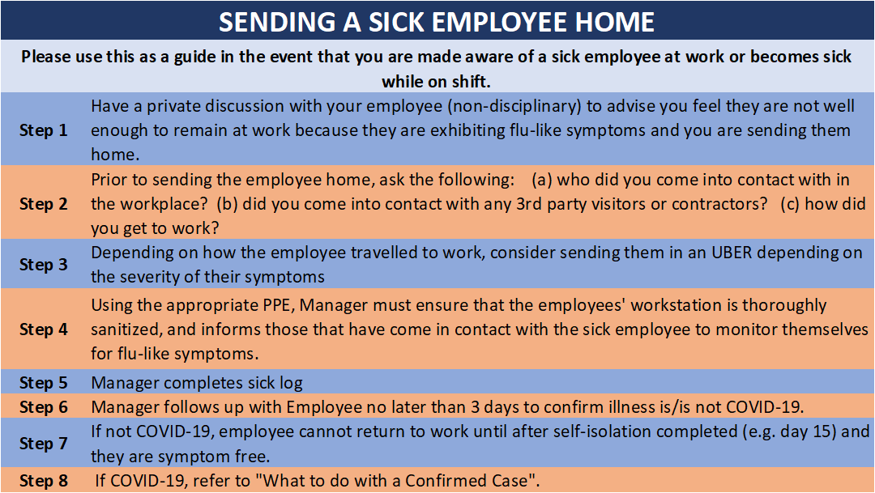
EMPLOYEE SICK LOG (COVID-19 PLANNING)
Please update on a daily basis for any employee on your team who calls in sick and send to
Date report submitted:
Report submitted by:
EMPLOYEE NAME (FIRST, LAST) | CITY | PLANT/OFFICE | DATE | REASON | RELATED ILLNESS (FLU-LIKE SYMPTOMS) | CONFIRMED CASE COVID19 (YES or NO) | MEDICAL CLEARANCE IF CONFIRMED CASE

