Instructions
CONFIDENTIAL |  |  | CONFIDENTIAL |  | CONFIDENTIAL
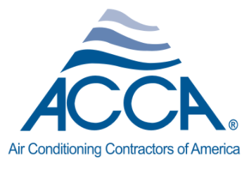

2020 ACCA FINANCIAL & OPERATING PERFORMANCE SURVEY
For fiscal year 2019 - or your most recently completed fiscal year

General Information

 | Your data will be treated in the strictest confidence by Industry Insights, Inc., an outside, third party firm that specializes in survey research. Individual
 | company responses will never be shared with ACCA or anyone outside of Industry Insights

 | To complete the survey online, please visit |  |  | www.ACCASurvey.com

 | If you cannot fill out every line, provide as much information as possible. It is OK to leave blanks. However, keep in mind that the more you are able to
 | fill out, the more information you will get back about your own company. You may provide estimates if necessary.

 | If you need assistance, call Matt Chaffin of Industry Insights at (614) 389-2100 ext. 115 or email him at mchaffin@industryinsights.com.

 | Please return this confidential form using one of the following methods:

 |  | Mail/Fed Ex/UPS - Send your completed survey to: Industry Insights, Inc., 6235 Emerald Parkway, Dublin, OH 43016.
 |  | Email - Email your forms directly to Patti Clever at: pclever@industryinsights.com

Your data will be treated in the strictest confidence by Industry Insights, Inc., an outside, third party firm that specializes in such studies. Please fill out the
information below so that Industry Insights will be able to distribute the full industry-wide report and individual company performance report to you.

Contact Name*

Company Name*

Title

Email Address*

Address

City

State

Zip/postal code

Phone

* required

